Compare Annual Visitation
Compare Annual Visitation: 1980 to 2023

This report will not correctly export to CSV. Please export to Excel, Word, or PDF if you wish to save this report.

 | 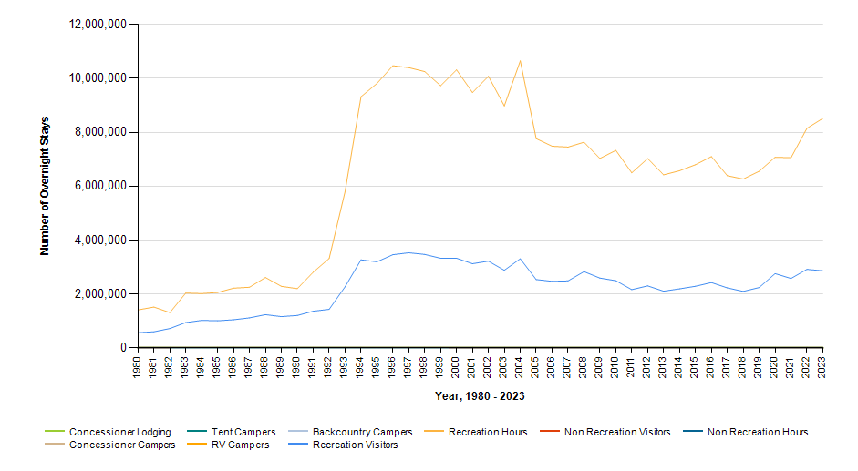

 |  | Year | Concessioner Lodging | Concessioner Campers | Tent Campers | RV Campers | Backcountry Campers | Recreation Visitors | Recreation Visitor Hours | Non Recreation Visitors | Non Recreation Visitor Hours
 |  | 2023 | 5,795 | 0 | 0 | 0 | 0 | 2,860,059 | 8,517,581 | 0 | 0
 |  | 2022 | 6,586 | 0 | 0 | 0 | 0 | 2,913,312 | 8,151,031 | 0 | 0
 |  | 2021 | 5,390 | 0 | 0 | 0 | 0 | 2,575,275 | 7,057,688 | 0 | 0
 |  | 2020 | 2,141 | 0 | 0 | 0 | 0 | 2,755,628 | 7,075,597 | 0 | 0
 |  | 2019 | 7,777 | 0 | 0 | 0 | 0 | 2,237,997 | 6,555,235 | 0 | 0
 |  | 2018 | 8,607 | 0 | 0 | 0 | 0 | 2,096,053 | 6,266,804 | 0 | 0
 |  | 2017 | 7,670 | 0 | 0 | 0 | 0 | 2,226,879 | 6,389,081 | 0 | 0
 |  | 2016 | 7,797 | 0 | 0 | 0 | 0 | 2,423,390 | 7,099,454 | 0 | 0
 |  | 2015 | 7,351 | 0 | 0 | 0 | 0 | 2,284,612 | 6,798,355 | 0 | 0
 |  | 2014 | 6,632 | 0 | 0 | 0 | 0 | 2,189,849 | 6,573,737 | 0 | 0
 |  | 2013 | 6,137 | 0 | 0 | 0 | 0 | 2,103,010 | 6,422,427 | 0 | 0
 |  | 2012 | 5,915 | 0 | 0 | 0 | 0 | 2,299,722 | 7,025,556 | 159 | 74
 |  | 2011 | 4,040 | 0 | 0 | 0 | 0 | 2,161,185 | 6,497,835 | 192 | 96
 |  | 2010 | 1,911 | 0 | 0 | 0 | 0 | 2,492,670 | 7,331,201 | 186 | 94
 |  | 2009 | 1,747 | 0 | 0 | 0 | 0 | 2,589,288 | 7,030,280 | 192 | 96
 |  | 2008 | 1,880 | 0 | 0 | 0 | 0 | 2,828,233 | 7,632,052 | 204 | 108
 |  | 2007 | 1,922 | 0 | 0 | 0 | 0 | 2,486,656 | 7,453,337 | 296 | 152
 |  | 2006 | 2,529 | 0 | 0 | 0 | 0 | 2,468,816 | 7,485,631 | 473 | 239
 |  | 2005 | 3,060 | 0 | 0 | 0 | 0 | 2,533,827 | 7,764,895 | 576 | 288
 |  | 2004 | 2,792 | 0 | 0 | 0 | 0 | 3,306,175 | 10,652,294 | 636 | 318
 |  | 2003 | 2,761 | 0 | 0 | 0 | 0 | 2,879,591 | 8,981,429 | 924 | 463
 |  | 2002 | 5,116 | 0 | 0 | 0 | 0 | 3,217,935 | 10,079,269 | 856 | 428
 |  | 2001 | 2,336 | 0 | 0 | 0 | 0 | 3,123,353 | 9,478,567 | 1,296 | 648
 |  | 2000 | 2,352 | 0 | 0 | 0 | 0 | 3,324,918 | 10,317,816 | 4,796 | 2,398
 |  | 1999 | 2,402 | 0 | 0 | 0 | 0 | 3,324,284 | 9,730,019 | 9,696 | 4,848
 |  | 1998 | 2,252 | 0 | 0 | 0 | 0 | 3,467,107 | 10,255,106 | 9,696 | 4,848
 |  | 1997 | 2,561 | 0 | 0 | 0 | 0 | 3,527,837 | 10,400,508 | 9,696 | 4,848
 |  | 1996 | 2,552 | 0 | 0 | 0 | 0 | 3,455,878 | 10,472,610 | 9,696 | 4,848
 |  | 1995 | 2,676 | 0 | 0 | 0 | 0 | 3,195,207 | 9,814,070 | 8,888 | 4,444
 |  | 1994 | 2,498 | 0 | 0 | 0 | 0 | 3,266,401 | 9,321,777 | 9,696 | 4,848
 |  | 1993 | 2,668 | 0 | 0 | 0 | 0 | 2,266,139 | 5,796,964 | 9,710 | 4,855
 |  | 1992 | 2,750 | 0 | 0 | 0 | 0 | 1,430,382 | 3,317,488 | 8,872 | 4,436
 |  | 1991 | 1,352 | 0 | 0 | 0 | 0 | 1,358,984 | 2,806,936 | 9,696 | 4,848
 |  | 1990 | 1,309 | 0 | 0 | 0 | 0 | 1,200,622 | 2,197,112 | 9,696 | 4,848
 |  | 1989 | 1,144 | 0 | 0 | 0 | 0 | 1,159,648 | 2,284,232 | 9,696 | 4,848
 |  | 1988 | 1,000 | 0 | 0 | 0 | 0 | 1,229,717 | 2,609,851 | 9,696 | 4,848
 |  | 1987 | 1,334 | 0 | 0 | 0 | 0 | 1,113,405 | 2,249,252 | 9,688 | 4,844
 |  | 1986 | 0 | 0 | 0 | 0 | 0 | 1,042,148 | 2,214,902 | 9,696 | 4,848
 |  | 1985 | 0 | 0 | 0 | 0 | 0 | 1,004,858 | 2,054,647 | 9,696 | 4,848
 |  | 1984 | 0 | 0 | 0 | 0 | 0 | 1,018,828 | 2,015,431 | 9,696 | 4,848
 |  | 1983 | 0 | 0 | 0 | 0 | 0 | 939,562 | 2,032,910 | 9,696 | 4,848
 |  | 1982 | 0 | 0 | 0 | 0 | 0 | 717,815 | 1,309,980 | 6,464 | 3,232
 |  | 1981 | 0 | 0 | 0 | 0 | 0 | 596,300 | 1,513,000 | 0 | 0
 |  | 1980 | 0 | 0 | 0 | 0 | 0 | 563,300 | 1,408,250 | 0 | 0

